Sheet1
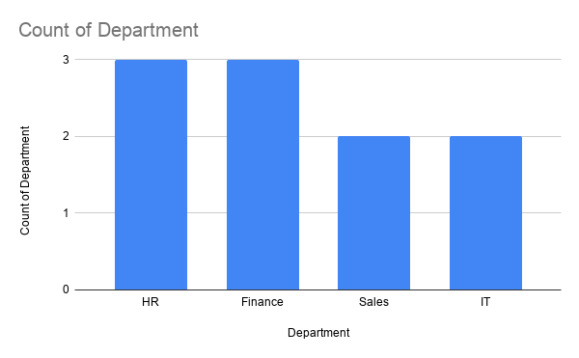
Employee ID | Name | Gender | Department | Job Title | Salary | Age | Experience | City | HR Dashboard Summary
EMP001 | Priya | female | HR | HR executive | 45000 | 25 | 2 | Benguluru | Total Employees | 10
EMP002 | Harish | male | Finance | finance analyst | 50000 | 28 | 3 | Benguluru | Average Salary | ₹60,200.00
EMP003 | Varsha | female | Sales | sales executive | 80000 | 35 | 5 | Benguluru | Highest salary | ₹80,000.00
EMP004 | Amith | male | IT | data analyst | 60000 | 30 | 4 | Benguluru | Lowest salary | ₹35,000.00
EMP005 | Kiran | male | HR | talent aquisition executive | 50000 | 26 | 2 | Benguluru | Total Salary | ₹602,000.00
EMP006 | Sathish | male | Finance | accounts executive | 35000 | 25 | 1 | Benguluru
EMP007 | Rekha | female | HR | HR executive | 80000 | 32 | 4 | Benguluru
EMP008 | Nethra | female | IT | data analyst | 75000 | 38 | 3 | Benguluru
EMP009 | Sindhu | female | Sales | sales executive | 55000 | 26 | 2 | Benguluru
EMP010 | Varun | male | Finance | finance analyst | 72000 | 34 | 3 | Benguluru

